Cover
ESG Factbook 2024
Learn more about the factbook and its content here

About & Content
ESG Strategy
EU Taxonomy
Environmental KPIs

Social KPIs
Governance KPIs
Standards and Ratings
Feedback Hub

ESG Governance Model
Home | Nilfisk ESG Governance Model

About & Content | Sustainability Governance
 | 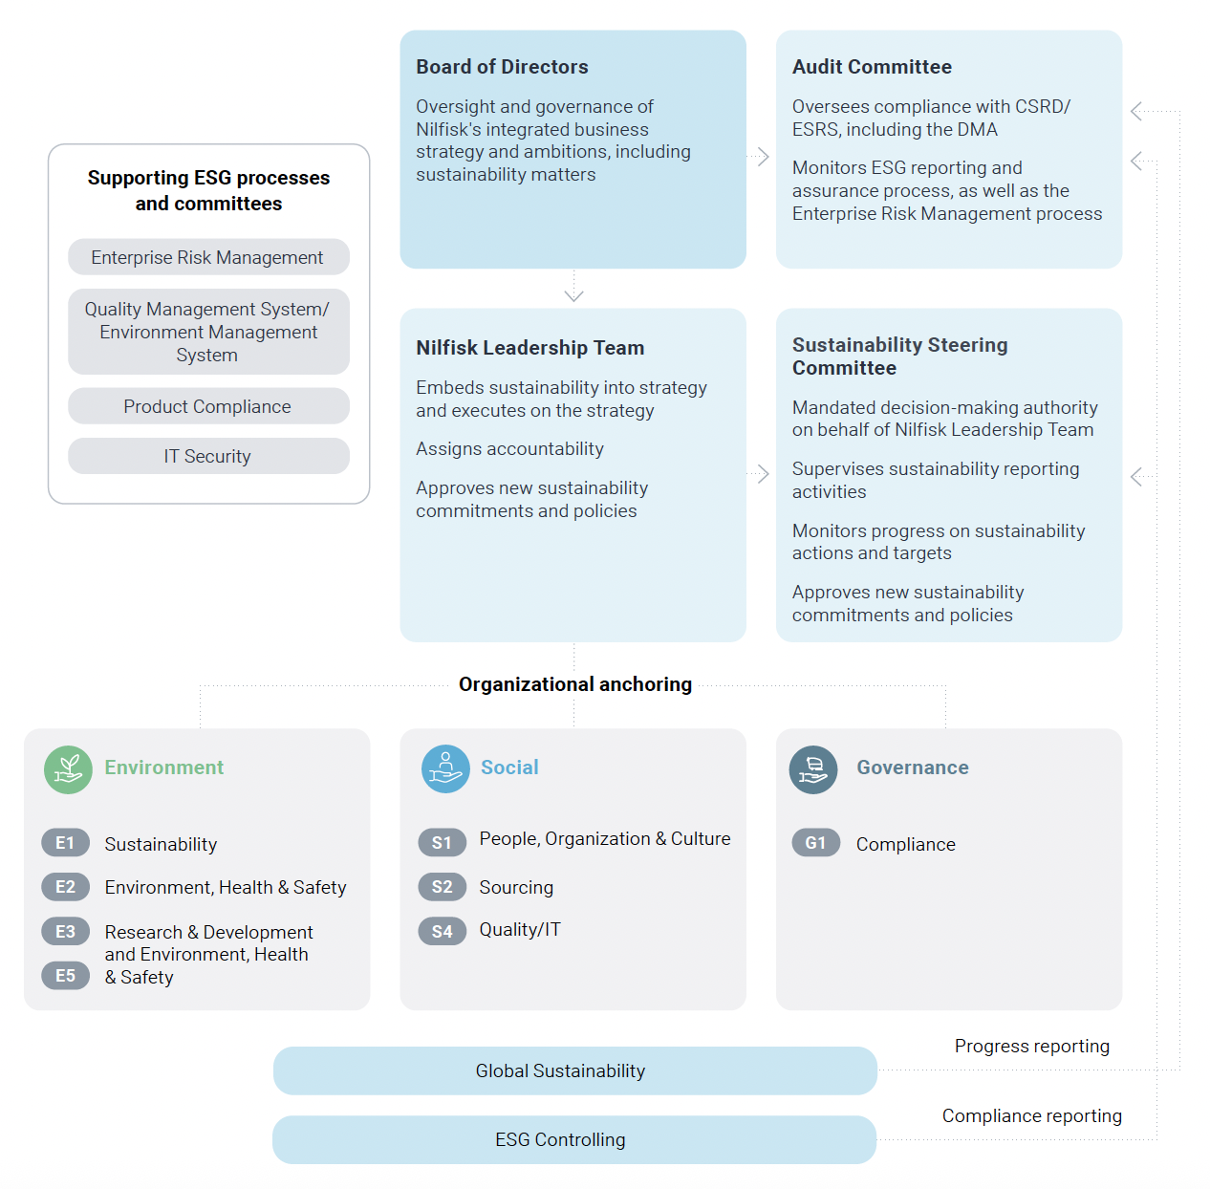 Nilfisk is committed to fully integrating sustainability into processes and decisionmaking throughout the company. To support this, we have established a tailored sustainability governance structure to ensure seamless integration of sustainability.
ESG Strategy

ESG Governance Model
Sustainability Commitments
ESG Accounting Principles
Double Materiality Assessment

EU Taxonomy

Environmental KPIs

Social KPIs

Governance KPIs

Standards and Ratings

Feedback Hub

 | Sustainability Governance

 | Board of Directors
 | Oversight and governance of Nilfisk’s sustainability ambitions are anchored with the Board of Directors and cascaded through the organization. They monitor and ensure progress towards our strategic priorities, covering sustainability and target achievement. Sustainability priorities are integral to the Board’s decision-making, with annual updates on targets and progress.

 | Audit Committee
 | The Audit Committee oversees sustainability activities, ensuring compliance with the Corporate Sustainability Reporting Directive (CSRD) and the European Sustainability Reporting Standards (ESRS). This includes the annual approval of the Double Materiality Assessment (DMA) and Sustainability Statements. In 2024, they prepared for the CSRD, effective January 2024, through in-depth workshops and training sessions.

 | Nilfisk Leadership Team
 | The Nilfisk Leadership Team sets the strategic direction on sustainability, with functional heads responsible for implementing targets and actions. The team is involved in major decisions, monitors policies and targets, and approves actions to facilitate progress. Each sustainability topic and target is assigned to a relevant function to ensure due diligence in sustainability matters, with progress reported in quarterly meetings.

 | Sustainability Steering Committee
 | A Sustainability Committee, comprising two members with decision-making authority from the Nilfisk Leadership Team, has been appointed. It includes the EVP, CFO, and the EVP, Head of Marketing, Sustainability & Consumer Business, and oversees sustainability target setting, policy commitments, and compliance with CSRD and ESRS.

 | Progress and compliance reporting
 | As non-financial controlling matures, Nilfisk has established a Group ESG controlling function within Finance for compliance reviews and internal controls. The Sustainability Team reports progress on targets and supports strategic sustainability priorities, particularly environmental topics.

 | Other committees
 | In addition to the Sustainability Committee, the Quality and Environmental Management Committee, Product Compliance Committee, and the IT Security Committee oversee the development of Impacts, Risks, and Opportunities (IROs) as defined in the DMA. Our Enterprise Risk Management process also includes sustainability risk assessments.

 | Read more
 | Read more about the governance structure in the Corporate Governance section of the Annual Report 2024.

Sustainability Commitments
Home | Sustainability Commitments

About & Content | Nilfisk ESG Strategy
 | In 2025, Nilfisk strengthened its climate ambition by committing to reach net-zero greenhouse gas emissions across the value chain by 2040, in line with the Science Based Targets initiative (SBTi) Net-Zero Standard. These targets have been formally validated by the SBTi and align with a 1.5°C trajectory under the Paris Agreement. As part of this commitment, Nilfisk updated its climate targets across all relevant scopes.
ESG Strategy

ESG Governance Model | Net-Zero Targets
Sustainability Commitments
ESG Accounting Principles | Topic | Base year | Target year | Target
Double Materiality Assessment | GHG Emissions (Scope 1 & 2) | 2021 | 2030 | 50.5% reduction of absolute scope 1 and 2 GHG emissions by 2030, based on 2021.
 | GHG Emissions (Scope 1 & 2) | 2021 | 2040 | 90% reduction of absolute scope 1 and 2 GHG emissions by 2040, based on 2021.
EU Taxonomy | GHG Emissions (Scope 3: Purchased goods & services + Use of sold products) | 2021 | 2030 | 42% reduction of absolute scope 3 GHG emissions by 2030, based on 2021.
 | GHG Emissions (Scope 3: Purchased goods & services + Use of sold products) | 2021 | 2040 | 90% reduction of absolute scope 3 GHG emissions by 2040, based on 2021.
Environmental KPIs
 | ESG Targets
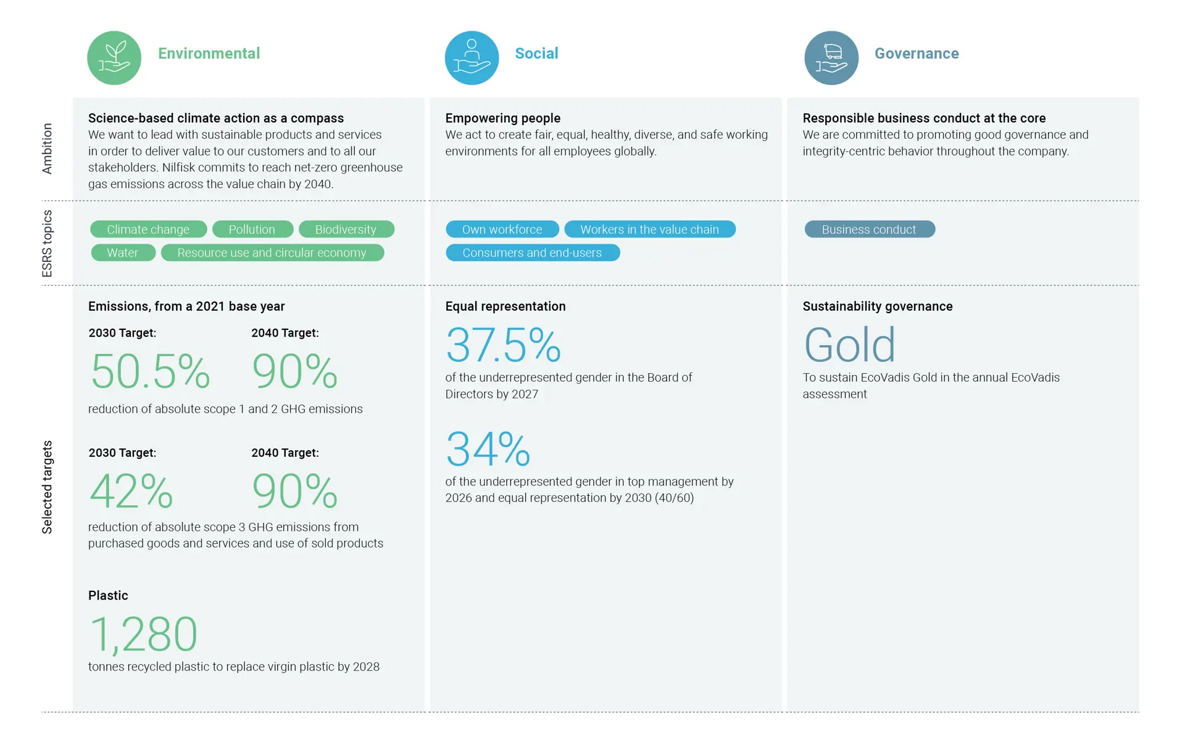
Social KPIs

Governance KPIs

Standards and Ratings

Feedback Hub

DMA
Home | Double Materiality Assessment

About & Content | Detailed Materiality Process
 | This section outlines the process for identifying material Impacts, Risks, and Opportunities (IROs). It details the methodology and outlines the process and outcome of engaging stakeholders. For a more detailed breakdown of Nilfisk's DMA methodology, please see pp. 66-77 in Nilfisk's Annual Report 2024.
ESG Strategy
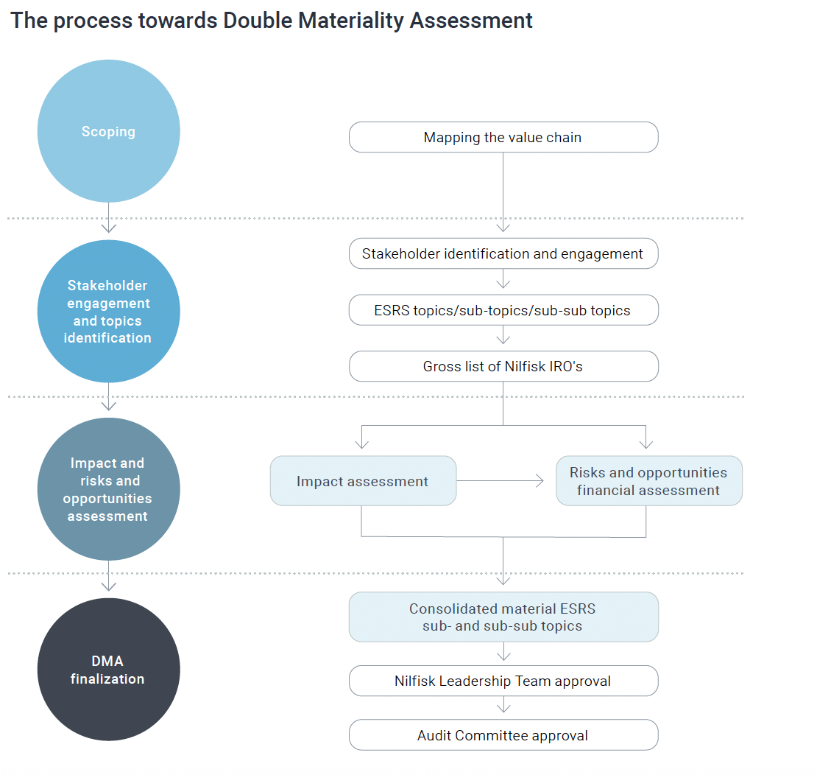

ESG Governance Model
Sustainability Commitments
ESG Accounting Principles
Double Materiality Assessment

EU Taxonomy

Environmental KPIs

Social KPIs

Governance KPIs

Standards and Ratings

Feedback Hub

 | 2024 Double Materiality Assessment Outcome
 | The outcome of the DMA is presented in the illustration below. The results are aggregated by ESRS topic, showing 9 ESRS topics and 21 sub-topics assessed as material to Nilfisk from an impact and/or financial materiality perspective. Information on how Nilfisk responds to the effects of IROs, including related policies, actions, targets, and metrics can be found in the topical sections under Environment, Social, and Governance in Nilfisk's Annual Report 2024.

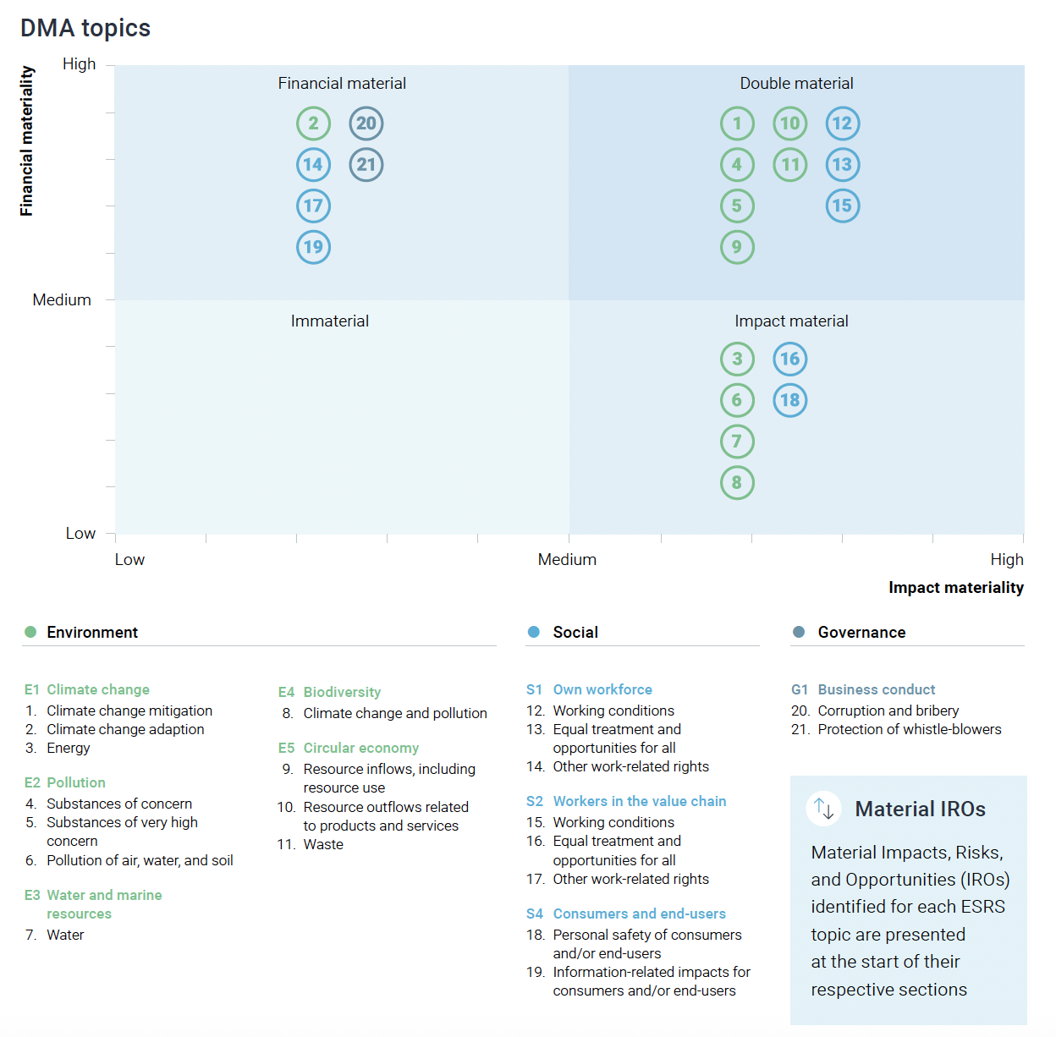

 | Value Chain
 | Below illustration outlines selected material sustainability-related impacts, risks, and opportunities across Nilfisk's value chain
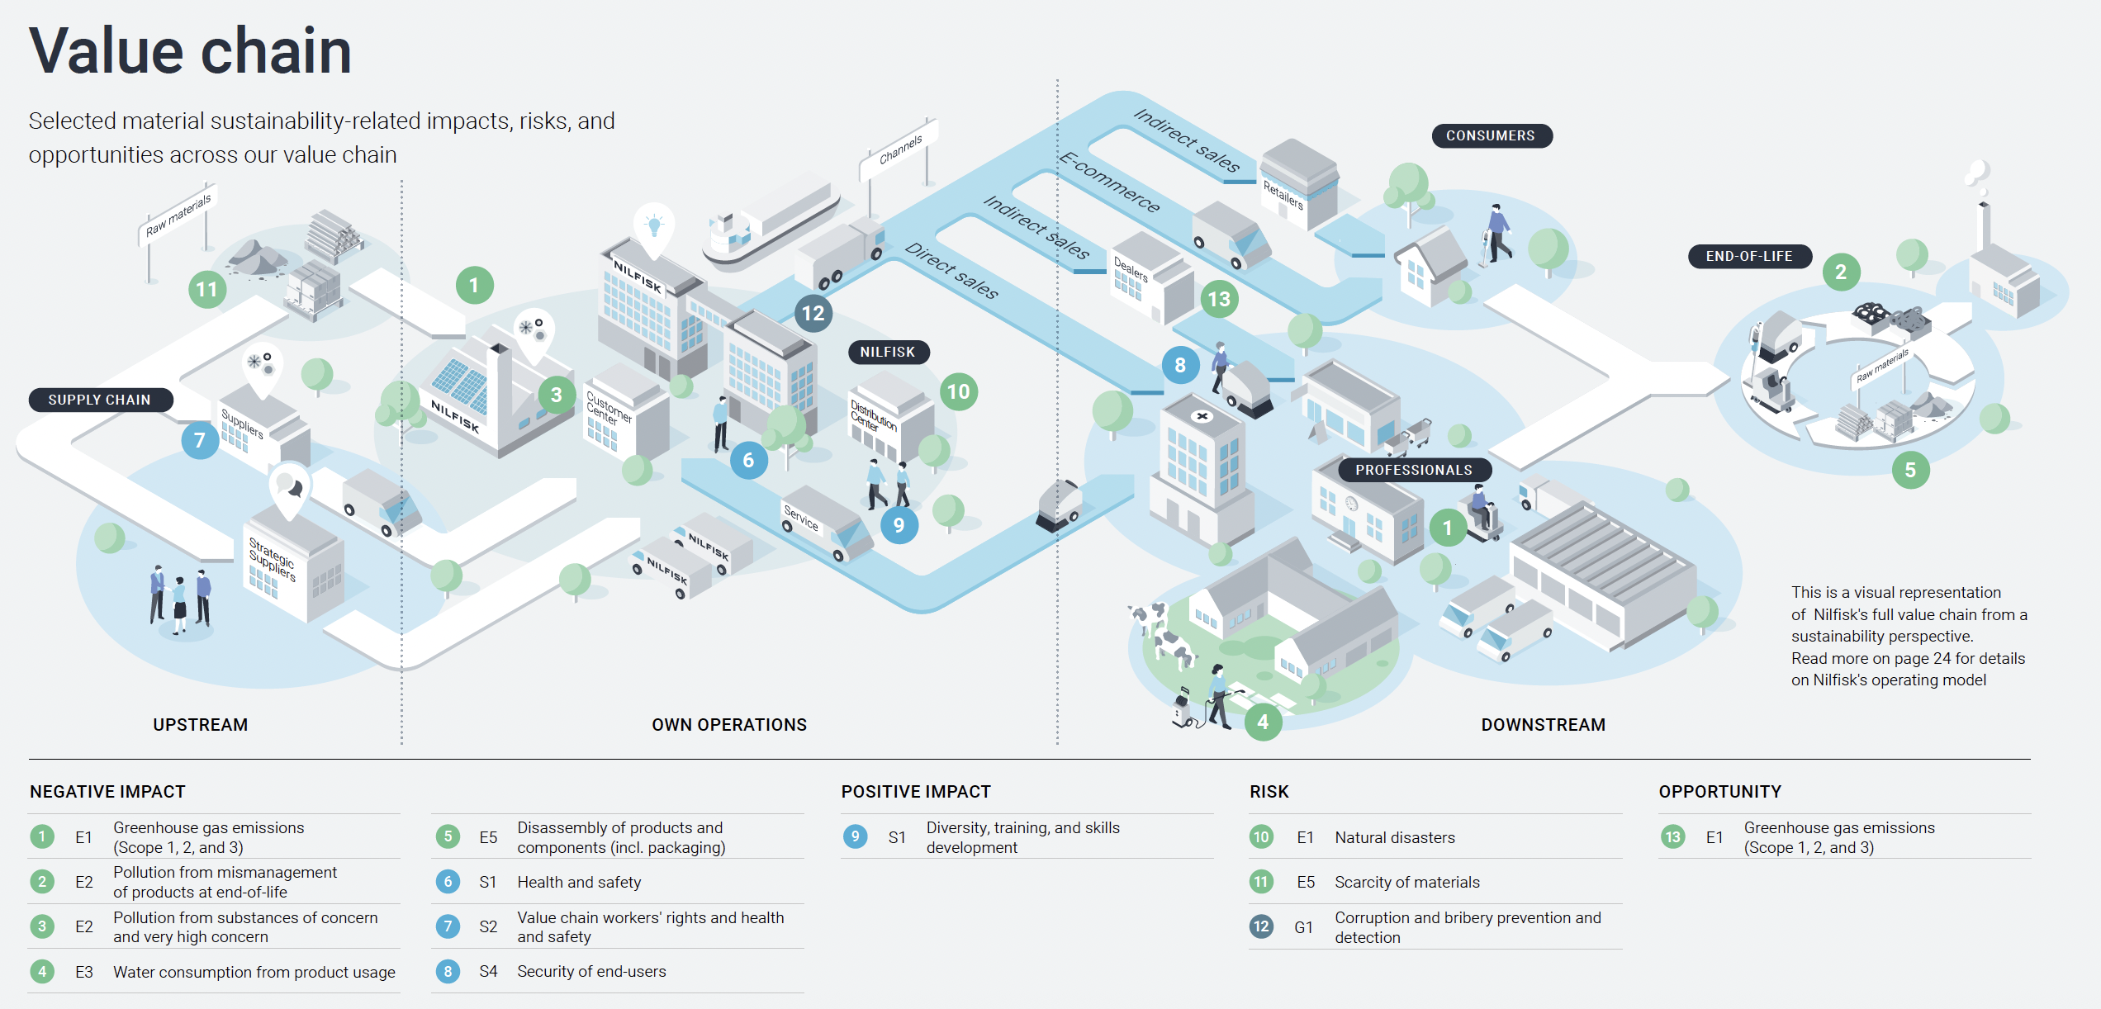

Standards and Ratings
Home | Standards and Ratings

About & Content | ESG Ratings
 | Nilfisk is rated by different ESG ratings. We value transparent and meaningful methodology and feedback, helping us to improve on the most material aspects. See below Nilfisk's performance on a number of prioritized ESG ratings.
ESG Strategy

EU Taxonomy

Environmental KPIs | KPIs

Social KPIs | Scoring
 | Indicator | Scale (high to low) | 2024 | 2023 | 2022 | 2021 | 2020 | Source
Governance KPIs | CDP: Climate Change | A - F | A- | A- | A- | A- | A- | CDP
 | CDP: Water security | A - F | B- | - | - | - | - | CDP
Standards and Ratings | EcoVadis rating | Platinum - bronze | Gold | Gold | Gold | Silver | - | EcoVadis
 | EcoVadis score | 100-0 | 80 | 71 | 68 | 65 | - | EcoVadis
Feedback Hub | ISS ESG rating | Peer comparison | Industry Prime | - | - | - | - | ISS
 | ISS ESG score | A - D | C+ | - | - | - | - | ISS

