Cover
ESG Factbook 2025
Learn more about the factbook and its content here

About & Content
ESG Strategy
EU Taxonomy
Environmental KPIs

Social KPIs
Governance KPIs
Standards and Ratings
Feedback Hub

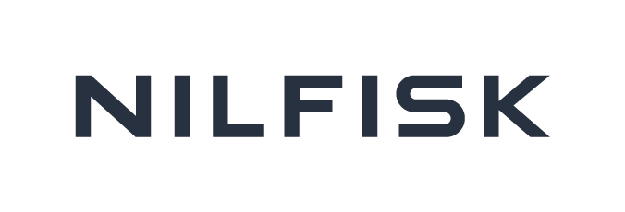

ESG Governance Model
Home | Nilfisk ESG Governance Model

About & Content | Sustainability Governance
 | 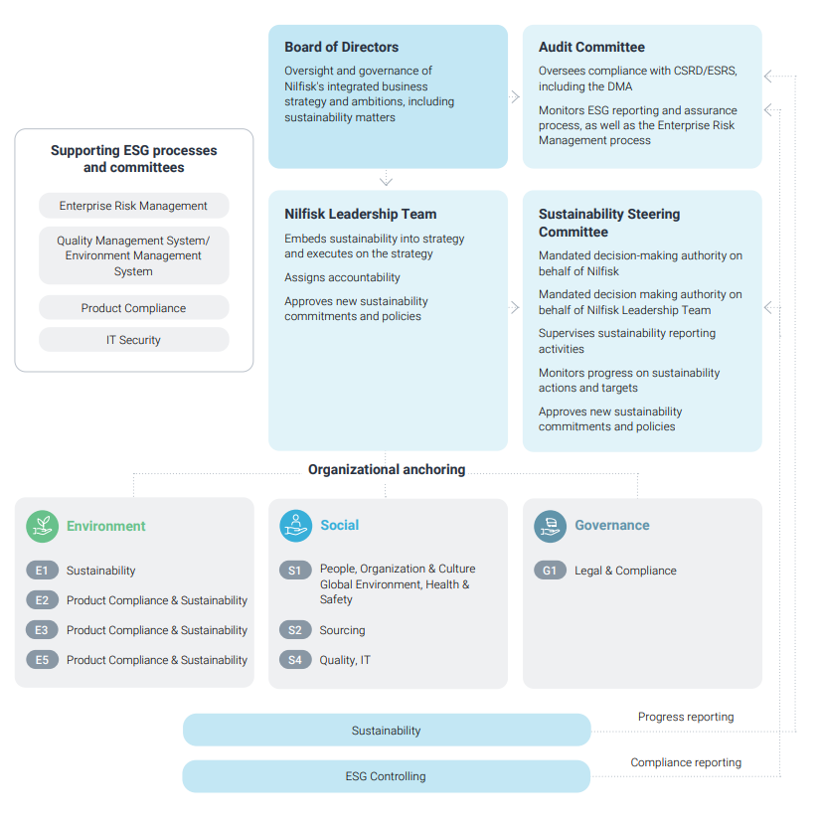 Nilfisk is committed to fully integrating sustainability into processes and decision-making throughout the company. Sound sustainability governance oversees integration and progress.
ESG Strategy

ESG Governance Model
Sustainability Commitments
Double Materiality Assessment

EU Taxonomy

Environmental KPIs

Social KPIs

Governance KPIs

Standards and Ratings

Feedback Hub

 | Sustainability Governance

 | Board of Directors
 | Oversight and governance of Nilfisk’s sustainability ambitions are anchored with the Board of Directors and cascaded through the organization. The Board of Directors monitors and ensures progress towards our strategic priorities, covering sustainability and target achievements. The Board of Directors receives annual updates on targets and progress.

 | Audit Committee
 | The Audit Committee oversees compliance with the Corporate Sustainability Reporting Directive (CSRD) and the European Sustainability Reporting Standards (ESRS). This includes the annual approval of the Double Materiality Assessment (DMA) and Sustainability Statements. The Audit Committee monitors progress on sustainability targets and oversees compliance with sustainability regulations.

 | Nilfisk Leadership Team
 | The Nilfisk Leadership Team sets the strategic direction for Nilfisk and guides execution. As per the performance management set-up of Nilfisk, area and functional heads are responsible for implementing targets and actions on sustainability.

 | Sustainability Steering Committee
 | The Sustainability Committee is comprised of three Nilfisk Executive Leaders with decision-making authority:Chief Financial Officer; Head of Products & Operations; Head of Specialty Business, Marketing & Sustainability.The committee drives the sustainability agenda by setting priorities, guiding transition, ensuring compliance, and overseeing performance. It also approves the Sustainability Statements. Responsibility and targets are cascaded to relevant functions with progress reported in quarterly reviews.

 | Progress and compliance reporting
 | The Sustainability team reports progress on targets and supports strategic sustainability priorities, particularly environmental topics. In addition, Nilfisk has established a Group ESG controlling function within Finance for compliance reviews and internal controls.

 | Related committees
 | In addition to the Sustainability Committee, the Quality and Environmental management system, Product Compliance Committee, and the IT Security Committee oversee the development of Impacts, Risks, and Opportunities (IROs) as defined in the DMA. The Enterprise Risk Management process also includes sustainability risk assessments.

 | Read more
 | Read more about the Board of Directors, Nilfisk Leadership Team, and governance structure in the Corporate Governance section of the Management Review in the Annual Report 2025.

Sustainability Commitments
Home | Sustainability Commitments

About & Content | Nilfisk ESG Strategy
 | In 2025, Nilfisk strengthened its climate ambition by committing to reach net-zero greenhouse gas emissions across the value chain by 2040, in line with the Science Based Targets initiative (SBTi) Net-Zero Standard. These targets have been formally validated by the SBTi and align with a 1.5°C trajectory under the Paris Agreement. As part of this commitment, Nilfisk updated its climate targets across all relevant scopes.
ESG Strategy

ESG Governance Model | Net-Zero Targets
Sustainability Commitments
Double Materiality Assessment | Topic | Base year | Target year | Target
 | GHG Emissions (Scope 1 & 2) | 2021 | 2030 | 50.5% reduction of absolute scope 1 and 2 GHG emissions by 2030, based on 2021.
EU Taxonomy
 | GHG Emissions (Scope 1 & 2) | 2021 | 2040 | 90% reduction of absolute scope 1 and 2 GHG emissions by 2040, based on 2021.
Environmental KPIs
 | GHG Emissions (Scope 3: Purchased goods & services + Use of sold products) | 2021 | 2030 | 42% reduction of absolute scope 3 GHG emissions by 2030, based on 2021.
Social KPIs
 | GHG Emissions (Scope 3: Purchased goods & services + Use of sold products) | 2021 | 2040 | 90% reduction of absolute scope 3 GHG emissions by 2040, based on 2021.
Governance KPIs

Standards and Ratings | ESG Targets
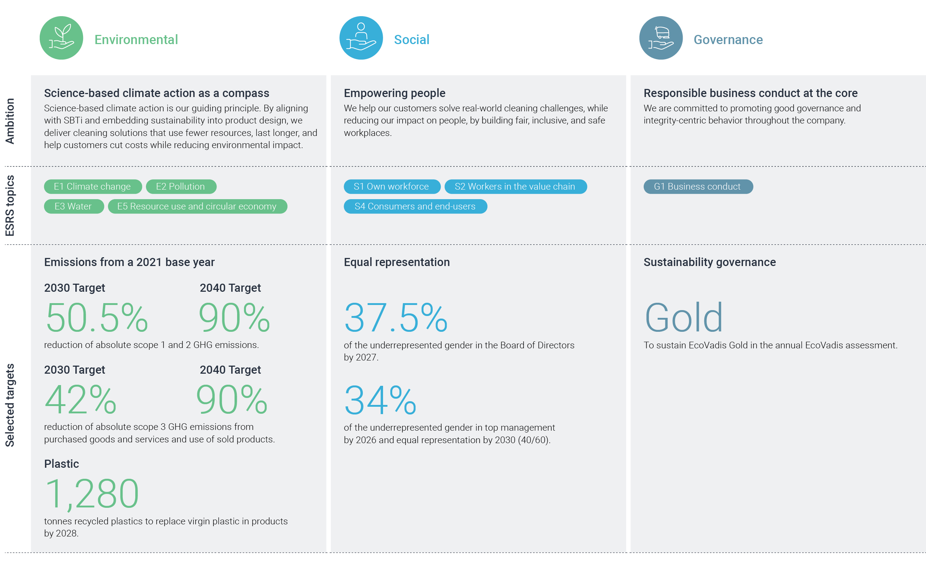
Feedback Hub

DMA
Home | Double Materiality Assessment

About & Content | Double Materiality Assessment methodology
 | This section outlines the process for identifying material Impacts, Risks, and Opportunities (IROs). It details the methodology and results of the resilience analysis and outlines the process and outcome of engaging stakeholders. For a more detailed breakdown of Nilfisk's DMA methodology, please see pp. 42-47 & pp. 90-94 in Nilfisk's Annual Report 2025.
ESG Strategy

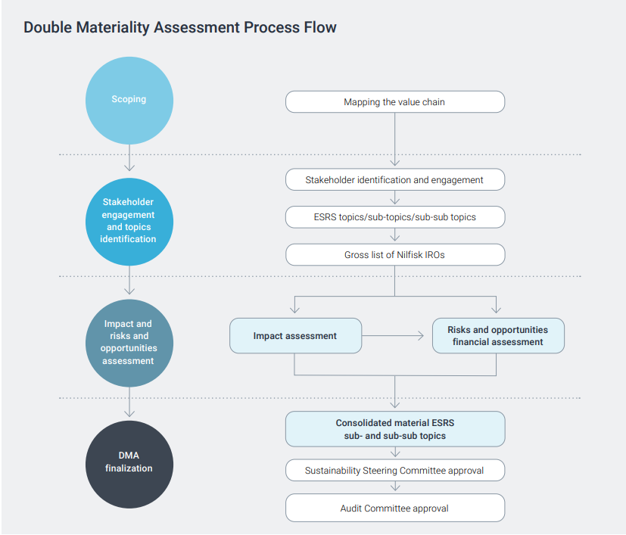
ESG Governance Model
Sustainability Commitments
Double Materiality Assessment

EU Taxonomy

Environmental KPIs

Social KPIs

Governance KPIs

Standards and Ratings

Feedback Hub

 | 2025 Double Materiality Assessment Outcome
 | The illustration below presents the results of Nilfisk's DMA, summarized by ESRS topic. In summary, Nilfisk identified 8 ESRS topics (9 in 2024) and 16 sub-topics (21 in 2024) as impact and/or financially material. Information on how Nilfisk responds to the effects of IROs, including related policies, actions, targets, and metrics can be found in the topical sections under Environment, Social, and Governance in Nilfisk's Annual Report 2025.

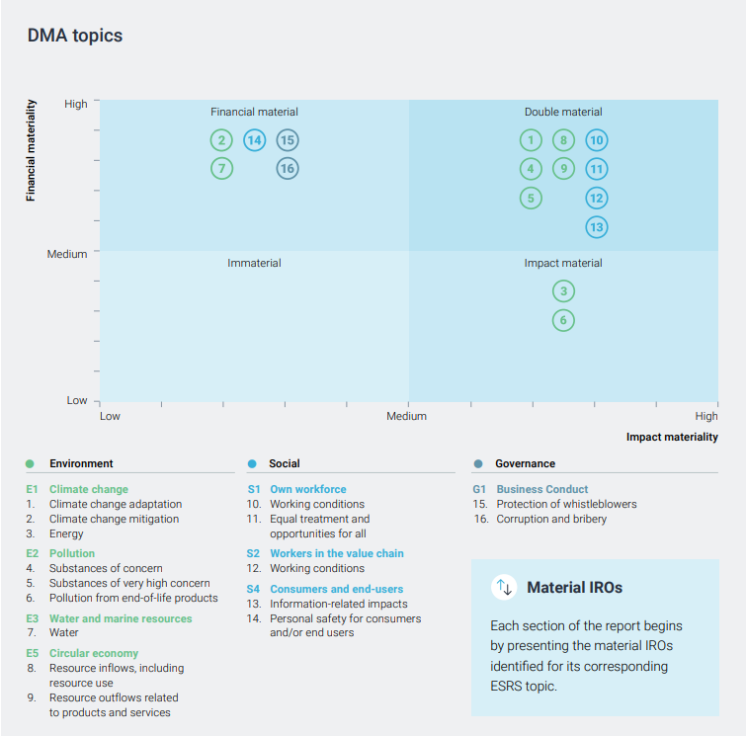

 | Value Chain
 | Below illustration outlines selected material sustainability-related impacts, risks, and opportunities across Nilfisk's value chain
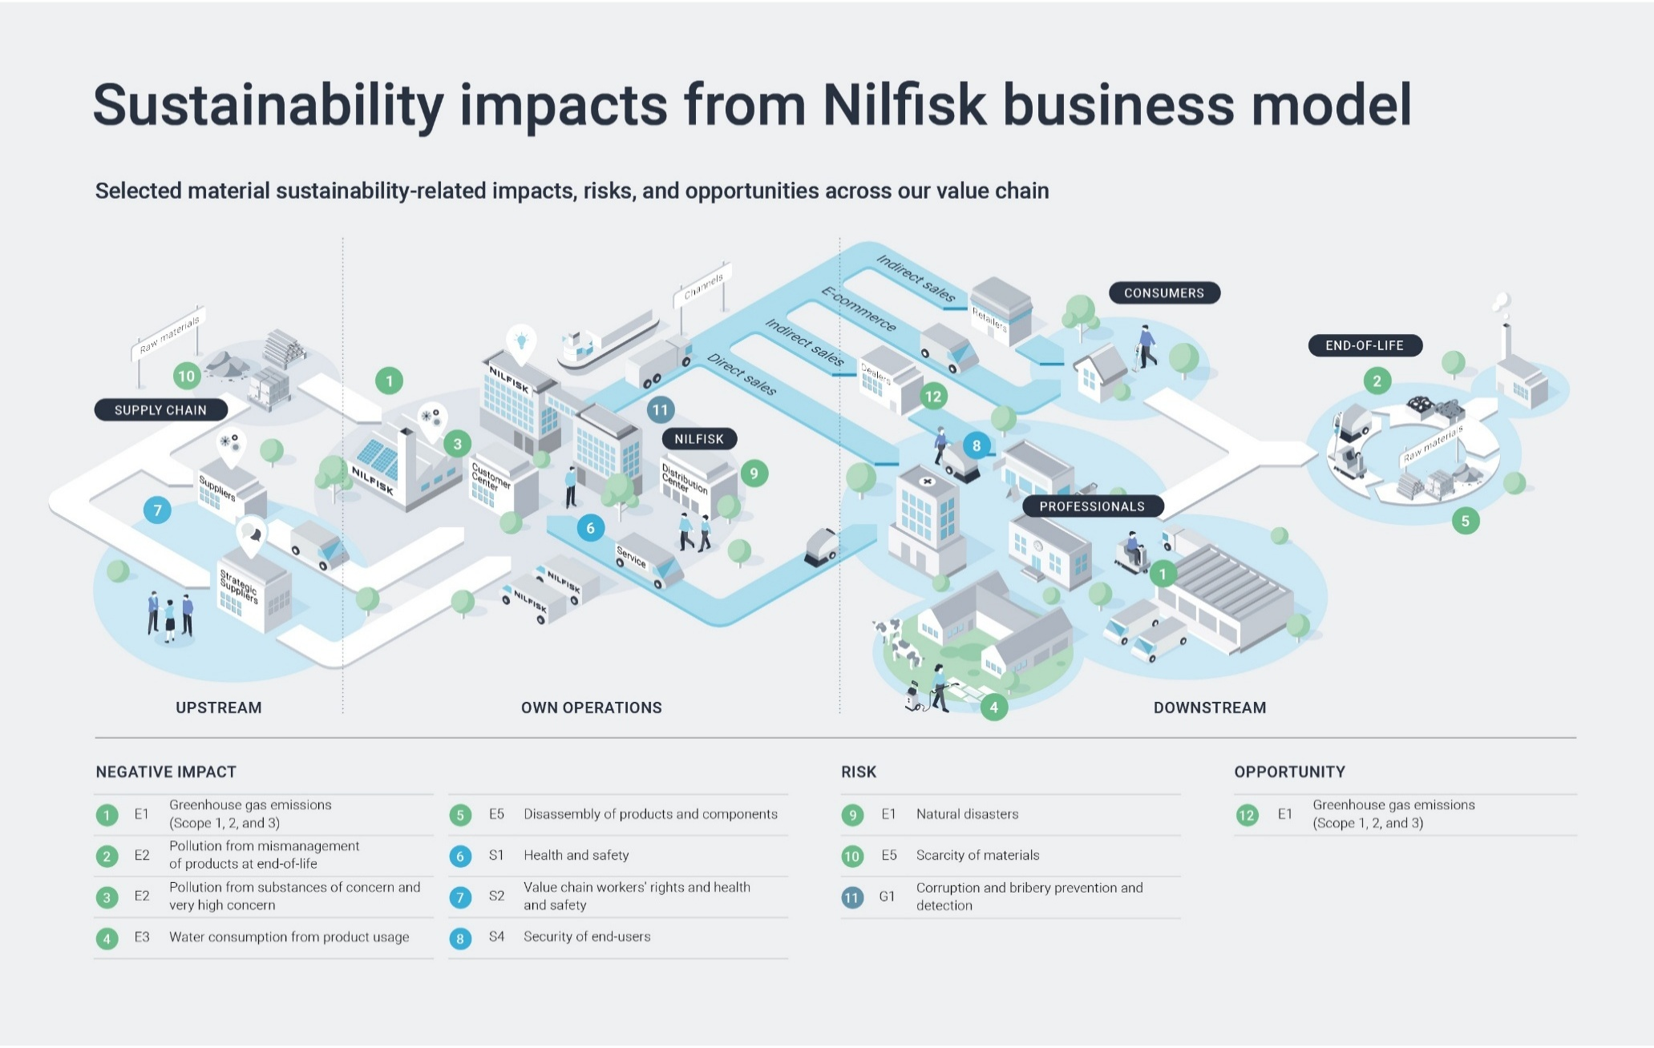

Standards and Ratings
Home | Standards and Ratings

About & Content | ESG Ratings
 | Nilfisk is rated by different ESG ratings. We value transparent and meaningful methodology and feedback, helping us to improve on the most material aspects. See below Nilfisk's performance on a number of prioritized ESG ratings.
ESG Strategy

EU Taxonomy | Metrics

Environmental KPIs | Scoring
 | Indicator | Scale (high to low) | 2025 | 2024 | 2023 | 2022 | 2021 | 2020 | Source
Social KPIs | CDP: Climate Change | A - F | A | A- | A- | A- | A- | A- | CDP
 | CDP: Water Security | A - F | B | B- | - | - | - | - | CDP
Governance KPIs | EcoVadis rating | Platinum - bronze | Gold | Gold | Gold | Gold | Silver | - | EcoVadis
 | EcoVadis score | 100-0 | 84 | 80 | 71 | 68 | 65 | - | EcoVadis
Standards and Ratings
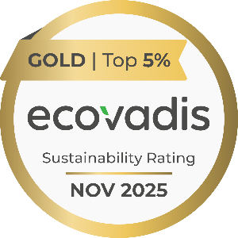
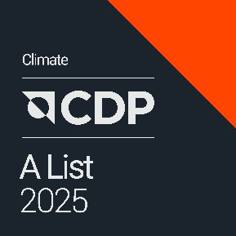
Feedback Hub

