Cover
ESG Factbook 2023/2024
Learn more about the factbook and its content here

About & Content
ESG Strategy
EU Taxonomy
Environmental KPIs

Social KPIs
Governance KPIs
Standards and Ratings
Feedback Hub

DMA
Home | Double Materiality Assessment

About & Content | Detailed Materiality Process
 | In 2022, Nilfisk completed an internal and external data collection process to meet the anticipated requirements of the CSRD Directive and updated its current approach to materiality, including both impact and financial materiality (double materiality). In 2023, this approach was adapted based on the guidance provided in ESRS1, chapter 3, and ESRS2, IRO-1, IRO-2, and SBM-2.
ESG Strategy

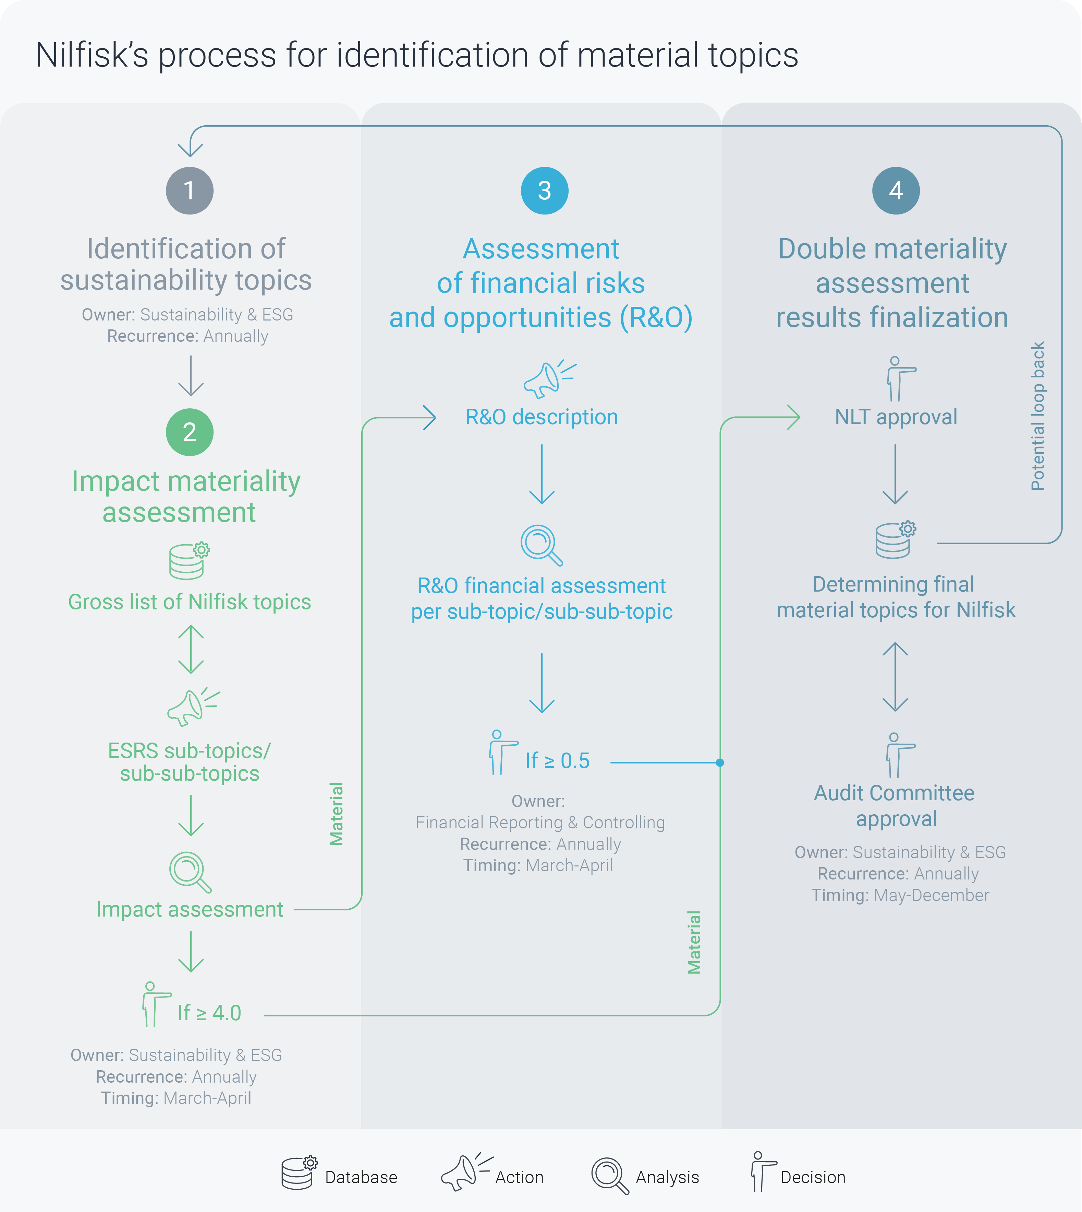
ESG Governance Model
Sustainability Commitments
ESG Accounting Principles
Double Materiality Assessment

EU Taxonomy

Environmental KPIs

Social KPIs

Governance KPIs

Standards and Ratings

Feedback Hub

 | 2023 Double Materiality Assessment
 | The preliminary DMA results show that 7 topics and 14 sub-topics are material to Nilfisk from an impact and/or financial risk and opportunity perspective.

 | ESRS topic | ESRS sub-topics
 | Climate change | Climate change mitigation
 |  | Climate change adaptation
 |  | Energy
 | Pollution | Substances of very high concern
 | Biodiversity and ecosystems | Direct impact drivers of biodiversity loss
 | Circular economy | Resource inflows
 |  | Resource outflows related to products
 | Own workforce | Equal treatment and opportunities for all
 |  | Working conditions
 | Workers in the value chain | Equal treatment and opportunities for all
 |  | Working conditions
 |  | Other work-related rights
 | Consumers and end users | Personal safety of consumers and/or end users
 |  | Information-related impacts for consumers and/or end users

 | Overview of ESRS sub-topics
 | The materiality of all relevant ESRS topics will be reevaluated every year. The outcome of the DMA conducted in 2023 is preliminary and will serve as the basis for the preparation of ESRS-compliant reporting in 2024. Listed below is an overview of the sub-topics materiality to Nilfisk.

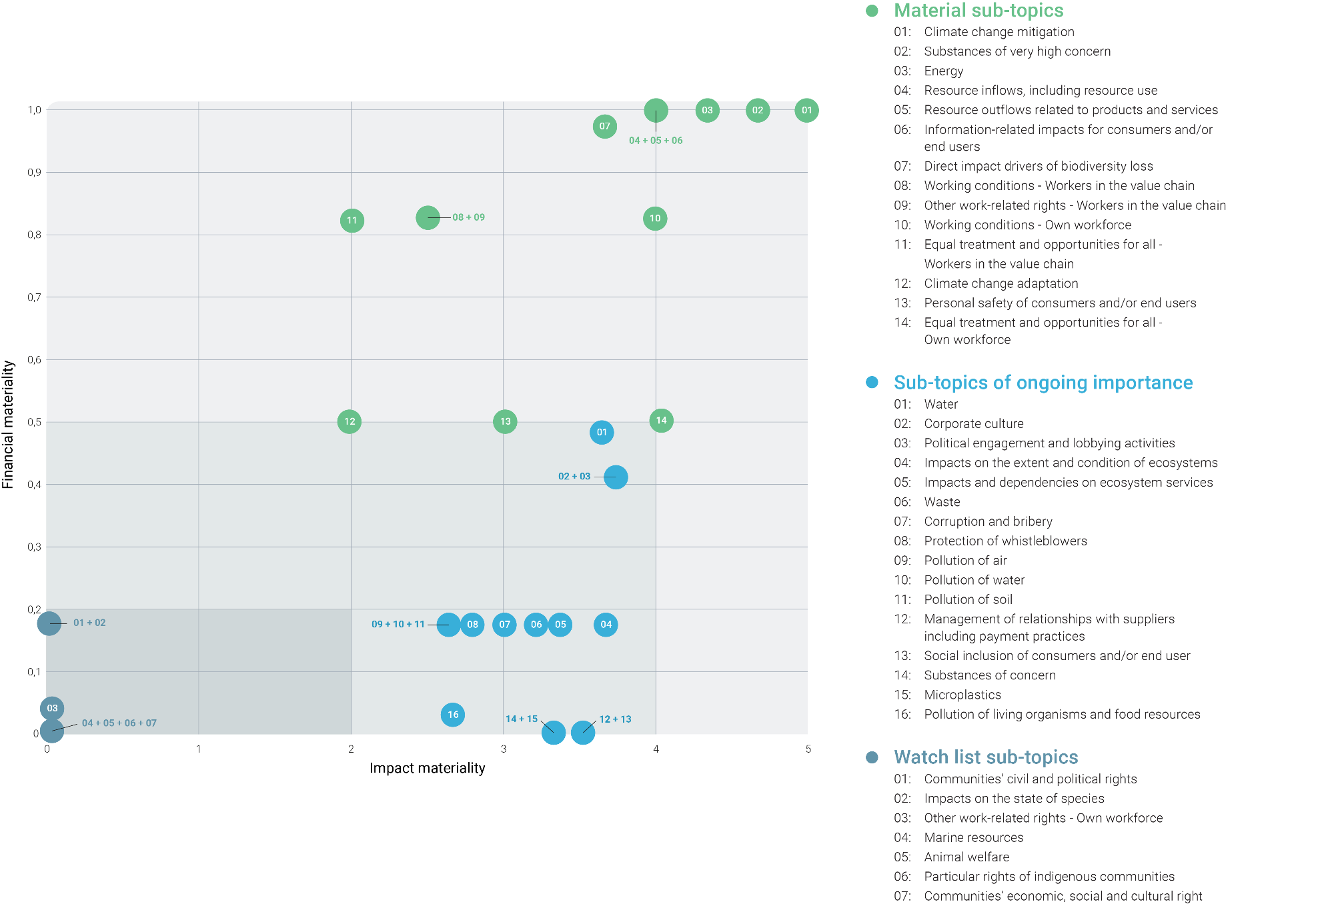

Standards and Ratings
Home | Standards and Ratings

About & Content | ESG Ratings
 | Nilfisk is rated by different ESG ratings. We value transparent and meaningful methodology and feedback, helping us to improve on the most material aspects. See below Nilfisk's performance on a number of prioritized ESG ratings.
ESG Strategy

EU Taxonomy

Environmental KPIs | KPIs

Social KPIs | Scoring
 | Indicator | Scale (high to low) | 2023 | 2022 | 2021 | 2020 | Source
Governance KPIs | CDP: Climate Change | A - F | A- | A- | A- | A- | CDP
 | EcoVadis rating | Platinum - bronze | Gold | Gold | Silver | - | EcoVadis
Standards and Ratings | EcoVadis score | 100-0 | 71 | 68 | 65 | - | EcoVadis
 | ISS ESG rating | Peer comparison | Industry Prime | - | - | - | ISS
Feedback Hub | ISS ESG score | A - D | C+ | - | - | - | ISS

