MC2C SPARE PARTS
SP No. | Part No. from base model | Description | Pictures
128502080 | 128338535 | Cabinet With Print Nilfisk MC 2C
128502081 | 128338504 | Turning Knob Cover - Sz. 1
128502082 | 128338506 | Handle insert
128502083 | 128338507 | cable hook
128502084 | 128338508 | regulation knob
128502085 | 128338495 | Male quick coupling |  | Same as MC1C | 128502073
128502086 | 128338509 | Water inlet NA01
128502087 | 128338510 | Push button
128502088 | 128338511 | Rim for Ø200 wheel Nilfisk
 | 128338536 | Wheel cap
128502089 | 128338485 | Knob plug
128502090 | 128338515 | rubber strip
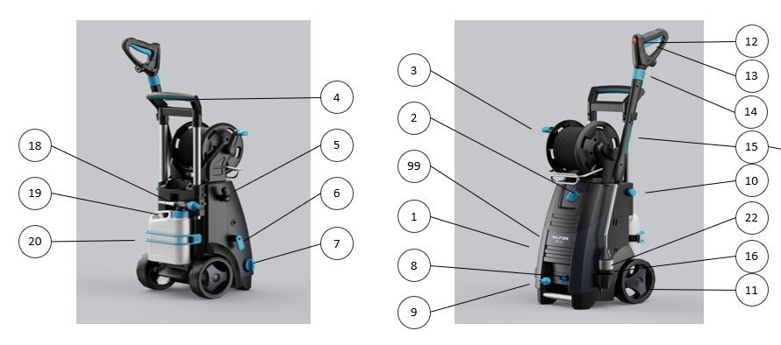

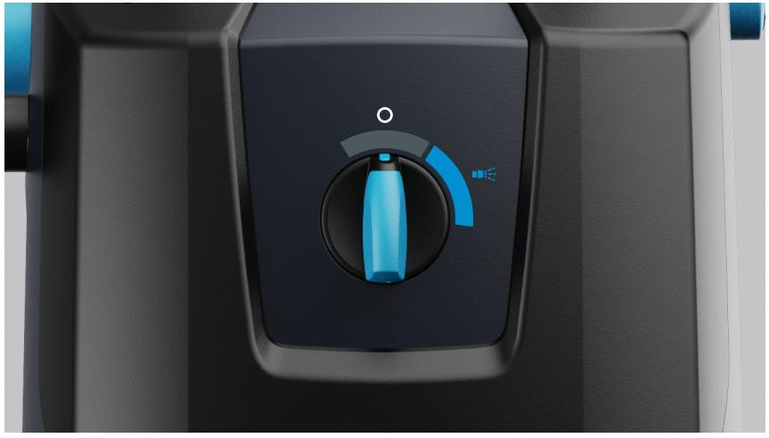
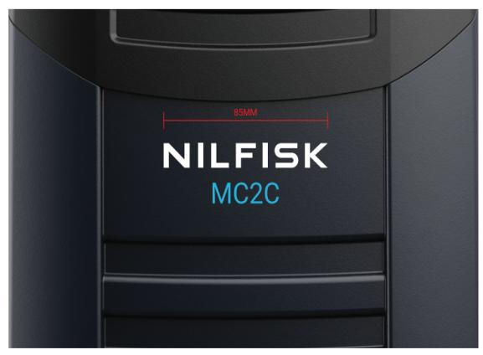
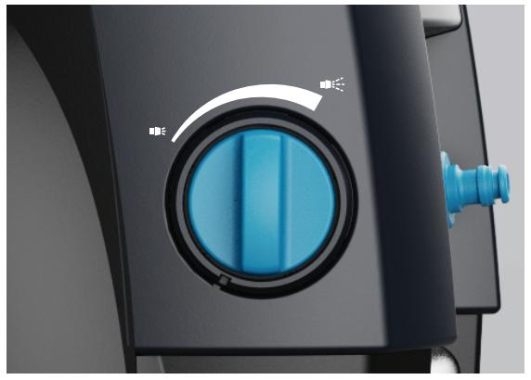

MC_2C_ALL
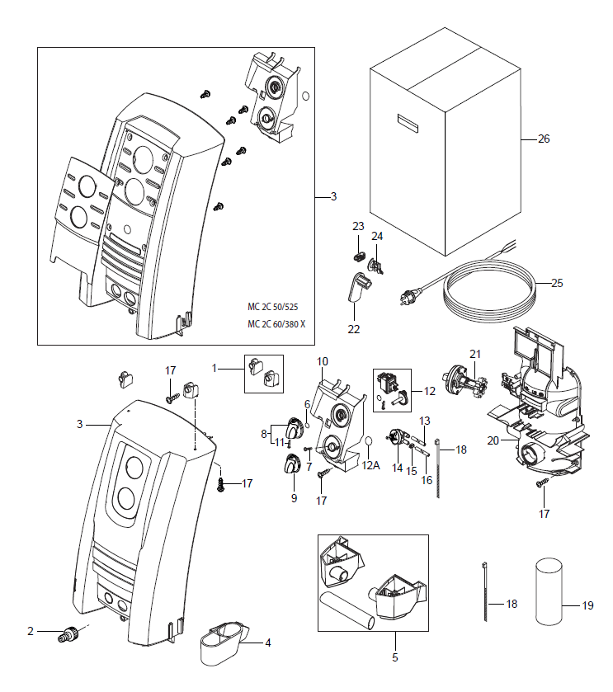
 | Overview Front
No | . Part No. | Qt | y. Description Part
1 | 128500146 | 1 | BRACKET F.HOSEREEL HOLDER SP
2 | 1402809 | 1 | GARDENA COMPATIBLE MALE COUPLING 3/4
3 | 128501277 | 1 | MC 2C FRONT COVER KIT [1]
3 | 128500226 | 1 | FRONT CABINET POSEIDON2 XT SP
4 | 128500228 | 1 | LANCE HOLDER DOUBLE BOTTOM SP
5 | 128500105 | 1 | HIGH FOOT WITH GRIP SP
6 | 9868 | 1 | O-RING 10.2X2.5 NBR 70SH
7 | 1814730 | 2 | SCREW 35X10B W1423
8 | 909100204 | 1 | ROTARY KNOB 6X5 ALTO BLUE
9 | 909100214 | 1 | ROTARY KNOB GR.1 4KT. 6X6+8X8 BLUE
10 | 128500109 | 1 | SWITCH BOX SP
11 | 32526 | 1 | TREAD-CUTTING SCREW 2.9X19 C ISO 1483 ZN
12 | 128500978 | 1 | PRO MAIN SWITCH KIT
12A | 128501278 | 1 | O-RING 16.1 X 1.6 70SH
13 | 106408241 | 1 | HOSE PVC 1/4INCH TRANSPARENT - 2 METERS
14 | 128500106 | 1 | DOSING VALVE ANGLED SP
15 | 1814679 | 1 | HOSE CLIP R12
16 | 4973 | 1 | HOSE Ø6X3
16 | 101406100 | 1 | HOSE DN 6X3 5M
17 | 107141838 | 10 | SCREW K50X18 WN1451 BLACK TORX20
18 | 1814741 | 2 | CABLE TIE
19 | 128500154 | 1 | CAPACITOR 100UF DI.SP
19 | 128500148 | 1 | CAPACITOR 50UF 450V DI. SP
20 | 128500111 | 1 | MOTOR SHIELD FRONT SP [2]
21 | 128500227 | 1 | KNOB FLOW REGULATION BLACK
22 | 128500155 | 1 | ROTARY CABLE HOOK BLACK SP
23 | 128500122 | 1 | CABLE CLIP 16A SP
24 | 128500121 | 1 | CABLE RELIEF P12374 SP
25 | 128500156 | 1 | CABLE W.PLUG L.5000 US SP [3]
25 | 128500157 | 1 | CABLE W.PLUG L.5000 ZA SP [4]
25 | 128500123 | 1 | CABLE W PLUG L.5000 EU SP
25 | 128500159 | 1 | CABLE W.PLUG L.5000 JP SP [5]
25 | 128500125 | 1 | CABLE W PLUG L.5000 GB SP [6]
25 | 128500896 | 1 | PVC CABLE W.PLUG EU SP
25 | 128500899 | 1 | PVC CABLE W.PLUG 5000 GB SP
25 | 128500900 | 1 | PVC CABLE W.PLUG AU/NZ SP
26 | 128500223 | 1 | BOX POSEIDON2 10PCS SP

 | Overview back
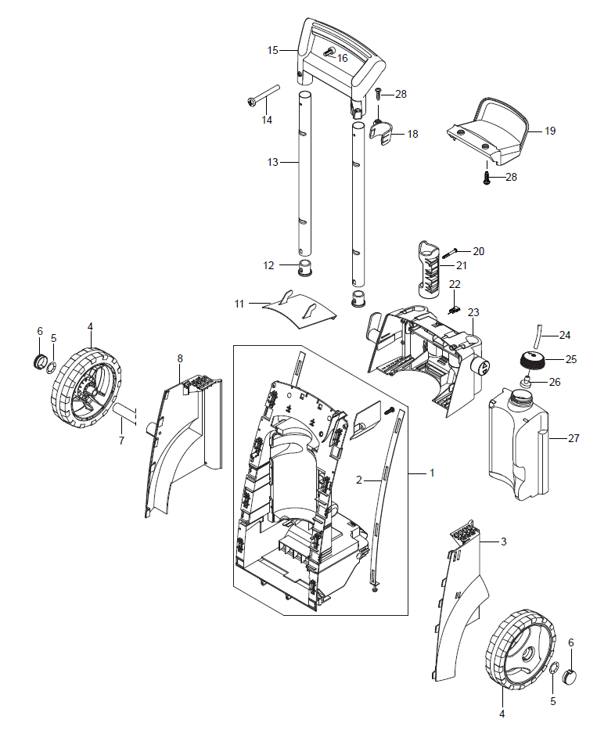

No | . Part No. | Qt | y. Description Part
1 | 128501279 | 1 | CHASSIS BLACK COMPLETE SP
2 | 128500128 | 2 | SLIDER COMPLETE SP
3 | 128501269 | 1 | SIDEBUMPER LEFT SP
4 | 128500107 | 1 | NILFISK WHEEL OPEN 200MM SP
5 | 11710 | 2 | CLAMPING RING Ø10 1PCS
6 | 128500118 | 2 | WHEEL CAP ALU SP
7 | 6522842 | 1 | AXLE 15X333 P12476
8 | 128500116 | 1 | SIDEBUMBER RIGHT SP
11 | 128500135 | 1 | UMBRELLA SP
12 | 128500134 | 2 | STOP FOR TELESCOPICHANDLE SP
13 | 128500133 | 2 | TELESCOPIC TUBES SP
14 | 128500130 | 1 | NUT FOR HANDLE M4X35 SP
15 | 128500205 | 1 | HANDLE COMPLETE BLUE SP
16 | 128500132 | 2 | SCREW M4X8 DZN7985 TX20 SP
18 | 128500143 | 1 | LANCE HOLDER TOP SP
19 | 128500144 | 1 | HOSE HOOK SP
20 | 128500203 | 1 | SCREW K50X45 WN1451 SP
21 | 128500136 | 1 | GUN HOLDER SP
22 | 6520844 | 1 | CLEANING TOOL BLACK
23 | 128500207 | 1 | ACCESSORYSTORAGE XT BLUE SP
23 | 128500160 | 1 | ACCESSORYSTORAGE STD BLUE SP
24 | 106408241 | 1 | HOSE PVC 1/4INCH TRANSPARENT - 2 METERS
25 | 107141664 | 1 | CAP FOR DETERGENT TANK
26 | 128500141 | 1 | DETERGENT FILTER SP
27 | 128500142 | 1 | DETERGENT TANK SP
28 | 1814732 | 3 | SCREW K50X18

 | Motor pump

No | . Part No. |  | Qty. Description Part
0 | 5218602 | 1 | PUMP OIL HV68 1X1L [1]
1 | 127500051 | 1 | LOCK RING
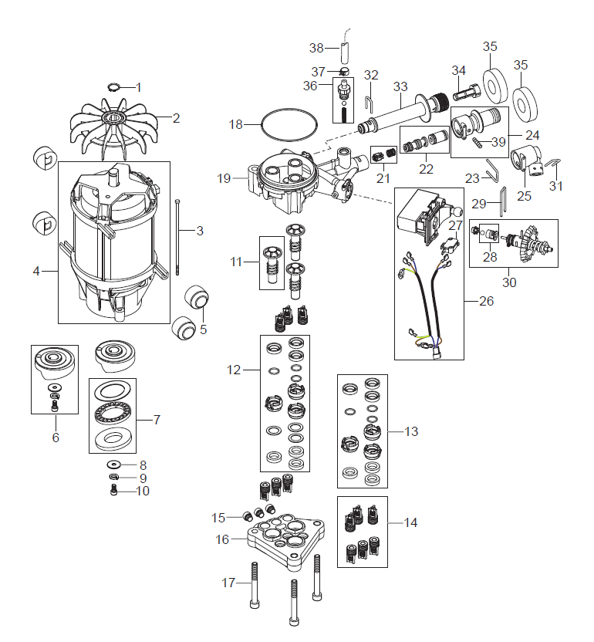
2 | 127500040 | 1 | NEW FAN
3 | 7180924 | 4 | STUD 145 MM
4 | 128500169 | 1 | MOTOR 3.3KW SP [2]
4 | 128500171 | 1 | MOTOR 1.4KW 60HZ SP [3]
4 | 128500979 | 1 | MOTOR 2.9KW [4]
5 | 128332334 | 4 | RACK FOR MOTOR
6 | 128500176 | 1 | WOBBLE DISC 6.9 DEGREE SP [5]
6 | 128500173 | 1 | WOBBLE DISC 9.5 DEGREE SP [6]
6 | 128500175 | 1 | WOBBLE DISC 8.4 DEGREE SP [7]
6 | 128500172 | 1 | WOBBLE DISC 10 DEGREE SP [2]
7 | 1119705 | 1 | BEARING REPAIR KIT
8 | 127130066 | 1 | WASHER D22XD6.4X1.5
9 | 127500050 | 1 | SPRING WASHER
10 | 3913 | 1 | SCREW M6X12
11 | 6526016 | 3 | PISTON STAINLESS REP. KIT [8]
11 | 6528577 | 3 | PISTON.CERAMIC REP.KIT [9]
12 | 128500178 | 1 | REP SEALING SYS CERAMIC SP
13 | 128500179 | 1 | REP SEALING SYS STAINLESS SP
14 | 6526026 | 1 | VALVE SYSTEM REPARE KIT
15 | 6528586 | 3 | PLUG WITH O-RING
16 | 127440028 | 1 | CYLINDERHEAD [10]
16 | 6528616 | 1 | REP-KIT CYLINDER HEAD PLUS 0.3 [11]
17 | 31000602 | 3 | HEAD BOLT M8X70
18 | 3003654 | 1 | O-RING 80X2 NBR 70SH
19 | 128500981 | 1 | CYLINDER BLOCK W/O MANOMETER
21 | 128500183 | 1 | NON RETURN VALVE SP
22 | 128500184 | 1 | INJECTOR .64MM SP
23 | 128501328 | 1 | U-PIN 3X20.3X45
24 | 128500186 | 1 | DYNAMIC OUTLET STANDARD SP
25 | 128500187 | 1 | DYNAMIC OUTLET XTRA SP
26 | 128500188 | 1 | MICRO SWITCH BOX SYSTEM SP
27 | 128500196 | 1 | MICROSWITCH SP
28 | 128500190 | 1 | EASY START SP
29 | 128500191 | 1 | LOCK BRACKET SP
30 | 128500329 | 1 | VALVE PISTON COMPL.JP US MEX [2]
30 | 128500192 | 1 | VALVE PISTON COMPLETE SP
31 | 6525619 | 1 | LOCK BRACKET. SMALL
32 | 128500200 | 1 | LOCK BRACKET SP
33 | 128500194 | 1 | WATER INLET SP
34 | 128500195 | 1 | INLET FILTER MESH SP
35 | 126486792 | 2 | FOAM SEAL FOR OUTLET & INLET
36 | 6528615 | 1 | HOSE TAIL
37 | 1814679 | 1 | HOSE CLIP R12
38 | 4973 | 1 | HOSE Ø6X3
38 | 101406100 | 1 | HOSE DN 6X3 5M
39 | 128500242 | 1 | M5 SCREW DIN96 SP
11 | 301000836 | 1 | PISTON STAINLESS REP.KIT 3PCS | MC2C_II
20 | 128501683 | 1 | PLUG WITH O-RING | MC2C_II
22 | 128501681 | 1 | INJECTOR D3 [6] | MC2C_II
22 | 128501680 | 1 | INJECTOR D6 [7] | MC2C_II
25 | 128501660 | 1 | O-RINGS KIT F. INJECTOR AND INSERT | MC2C_II
30 | 128501682 | 1 | VALVE PISTON COMPLETE | MC2C_II

Hose reel
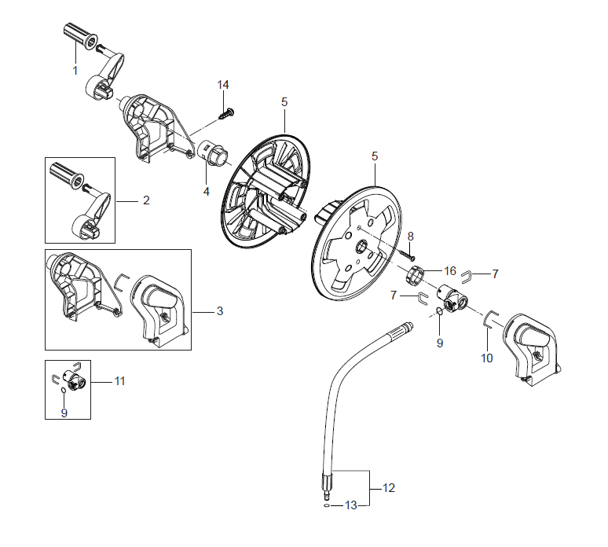
No | . Part No. | Q | ty. Description Part
1 | 128500750 | 1 | HANDLE GRIP
2 | 128500751 | 1 | HANDLE FOR HOSE REEL PRO
3 | 128500164 | 1 | HOSE REEL SUPPORT SP
4 | 128500869 | 1 | AXLE FOR HOSE REEL
5 | 6528570 | 2 | HOSE REEL
7 | 6526487 | 2 | LOCK BRACKET SS
8 | 128500595 | 2 | SCREW K50X35 WN1452 BLACK TORX
9 | 3002144 | 1 | O-RING 14.3X2.4 NBR 70SH
10 | 127440229 | 1 | LOCK BRACKET
11 | 127440011 | 1 | ADAPTOR SYSTEM ALTO
12 | 128500166 | 1 | CONNECTION HOSE SP
13 | 3004108 | 1 | O-RING 5.28X1.78 NITRIL 90 SH
14 | 107141838 | 2 | SCREW K50X18 WN1451 BLACK TORX20
16 | 128500167 | 1 | WASHER FOR HOSE REEL SP

MC_2C_II
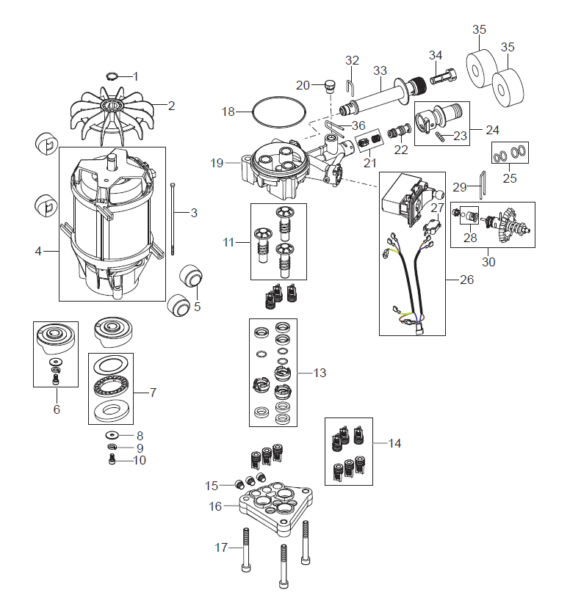
0 | 5218602 | 1 | PUMP OIL HV68 1X1L | 5218602
1 | 127500051 | 1 | LOCK RING | 127500051
2 | 127500040 | 1 | NEW FAN | 127500040
3 | 7180924 | 4 | STUD 145 MM | 7180924
4 | 128500169 | 1 | MOTOR 3.3KW SP [1] | 128500169
4 | 128500979 | 1 | MOTOR 2.9KW [2] | 128500979
5 | 128332334 | 4 | RACK FOR MOTOR | 128332334
6 | 128500173 | 1 | WOBBLE DISC 9.5 DEGREE SP [3] | 128500173
6 | 128500175 | 1 | WOBBLE DISC 8.4 DEGREE SP [4] | 128500175
6 | 128500172 | 1 | WOBBLE DISC 10 DEGREE SP [5] | 128500172
7 | 1119705 | 1 | BEARING REPAIR KIT | 1119705
8 | 127130066 | 1 | WASHER D22XD6.4X1.5 | 127130066
9 | 127500050 | 1 | SPRING WASHER | 127500050
10 | 3913 | 1 | SCREW M6X12 | 3913
11 | 301000836 | 1 | PISTON STAINLESS REP.KIT 3PCS | 301000836
13 | 128500179 | 1 | REP SEALING SYS STAINLESS SP | 128500179
14 | 6526026 | 1 | VALVE SYSTEM REPARE KIT | 6526026
15 | 6528586 | 3 | PLUG WITH O-RING | 6528586
16 | 127440028 | 1 | CYLINDERHEAD | 127440028
17 | 31000602 | 3 | HEAD BOLT M8X70 | 31000602
18 | 3003654 | 1 | O-RING 80X2 NBR 70SH | 3003654
19 | 128500981 | 1 | CYLINDER BLOCK W/O MANOMETER | 128500981
20 | 128501683 | 1 | PLUG WITH O-RING | 128501683
21 | 128500183 | 1 | NON RETURN VALVE SP | 128500183
22 | 128501681 | 1 | INJECTOR D3 [6] | 128501681
22 | 128501680 | 1 | INJECTOR D6 [7] | 128501680
23 | 128500242 | 1 | M5 SCREW DIN916 SP | 128500242
24 | 128500186 | 1 | DYNAMIC OUTLET STANDARD SP | 128500186
25 | 128501660 | 1 | O-RINGS KIT F. INJECTOR AND INSERT | 128501660
26 | 128500188 | 1 | MICRO SWITCH BOX SYSTEM SP | 128500188
27 | 128500196 | 1 | MICROSWITCH SP | 128500196
28 | 128500190 | 1 | EASY START SP | 128500190
29 | 128500191 | 1 | LOCK BRACKET SP | 128500191
30 | 128501682 | 1 | VALVE PISTON COMPLETE | 128501682
31 | 6525619 | 1 | LOCK BRACKET. SMALL | 6525619
32 | 128500200 | 1 | LOCK BRACKET SP | 128500200
33 | 128500194 | 1 | WATER INLET SP | 128500194
34 | 128500195 | 1 | INLET FILTER MESH SP | 128500195
35 | 126486792 | 2 | FOAM SEAL FOR OUTLET & INLET | 126486792
36 | 128501328 | 1 | U-PIN 3X20.3X45 | 128501328

